Sheet1
 |  | Node 1 components for biofloc assimilation reactor

No | Component | Quantity | Cost (USD) | Source of materials | Images | Link | Comments
1 | Feather M0 Adalogger | 1 | 19.95 | Adafruit | 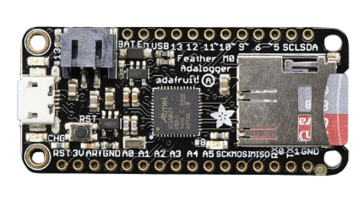 | https://www.adafruit.com/product/2796 | Feather M0, will need to be welded with pins that contain female and male head.
2 | Industrial Dissolved oxygen DO sensor | 1 | 371.73 | Atlas scientific | 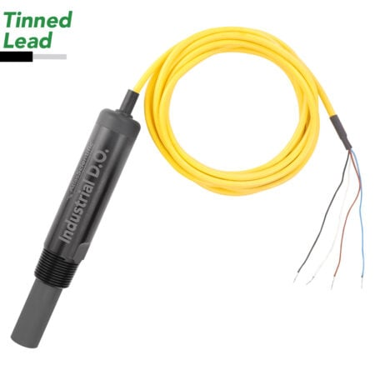 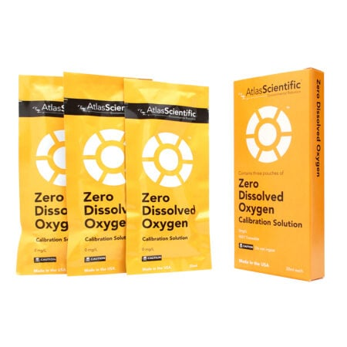 | https://atlas-scientific.com/probes/industrial-dissolved-oxygen-probe/
3 | Oxidation-reduction ORP sensor | 1 | 194.99 | Atlas scientific | 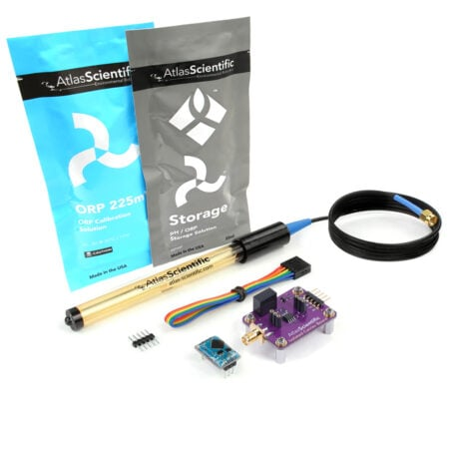 | https://atlas-scientific.com/kits/orp-kit/
4 | pH sensor | 1 | 159.99 | Atlas scientific | 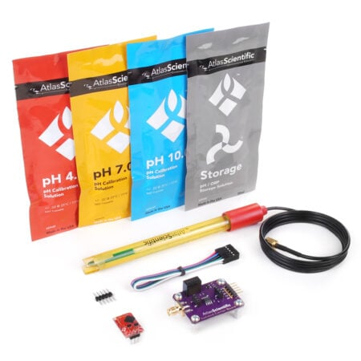 | https://atlas-scientific.com/kits/ph-kit/
5 | Electrical conductivity EC sensor | 1 | 229.99 | Atlas scientific | 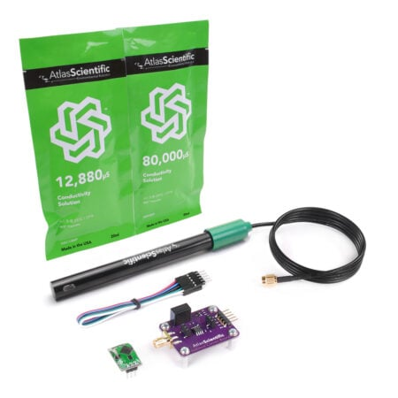 | https://atlas-scientific.com/kits/conductivity-k-1-0-kit/
6 | Turbidity sensor | 1 | 1000 | shanghai boqu instrument |  | https://cdn.globalso.com/boquinstruments/100014.jpg | The turbidity sensor requires 12-volt power input and needs rs485 as it is made for Modbus communication.
7 | Blues notecard | 1 | 49 | Blues |  | https://shop.blues.com/collections/notecard/products/notecard-cell-wifi
8 | NotecarrierF | 1 | 25 | Blues |  | https://shop.blues.com/collections/notecarrier/products/notecarrier-f
 | Antenna | 1 | 3.25 | Blues |  | https://shop.blues.com/products/dual-flexible-antenna-cell-wi-fi
9 | I2C hub v1.0 | 1 | 1.5 | seeed studio |  | https://www.dfrobot.com/product-2179.html
10 | RS485 | 1 | 5.59 | dfrobot |  | https://www.seeedstudio.com/Grove-RS485-p-2924.html
11 | USB type A | 1 | 7.69 | Local company
12 | I2C Toggler | 1 | 12.99 | Atlas scientific | 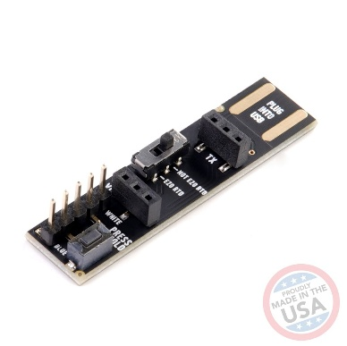 | https://atlas-scientific.com/ezo-accessories/i2c-toggler/ | Converter for communication useful in calibration
13 | DC Power Screw Terminal Adapter | 1 | 2.17 | Local company |  |  | for the 12v power adapter
14 | Power adapter | 1 | 12.23 | Local company
 |  | SUM | 2096.07

 | Node 2; for fish tank

 | Component | Quantity | Cost (USD) | Source of materials | Images | Link | Comments
 | Feather M0 Adalogger | 1 | 19.9 | Adafruit |  | https://www.adafruit.com/product/2796 | Feather M0, will need to be welded with pins that contain female and male head.
 | Industrial Dissolved oxygen DO sensor | 1 | 259.99 | Atlas scientific |  | https://atlas-scientific.com/probes/industrial-dissolved-oxygen-probe/
 | Oxidation-reduction ORP sensor | 1 | 194.99 | Atlas scientific |  | https://atlas-scientific.com/kits/orp-kit/
 | pH sensor | 1 | 159.99 | Atlas scientific |  | https://atlas-scientific.com/kits/ph-kit/
 | Electrical conductivity EC sensor | 1 | 229.99 | Atlas scientific |  | https://atlas-scientific.com/kits/conductivity-k-1-0-kit/
 | Temperature sensor | 1 | 84.99 | Atlas scientific
 | Blues notecard | 1 | 49 | Blues |  | https://shop.blues.com/collections/notecard/products/notecard-cell-wifi
 | NotecarrierF | 1 | 25 | Blues |  | https://shop.blues.com/collections/notecarrier/products/notecarrier-f
 | Antenna | 1 | 3.25 | Blues |  | https://shop.blues.com/products/dual-flexible-antenna-cell-wi-fi
 | I2C hub v1.0 | 1 | 1.5 | seeed studio |  | https://www.dfrobot.com/product-2179.html
 | USB type A | 1 | 7.69 | Local company
 |  | SUM | 1036.29

